Sheet1
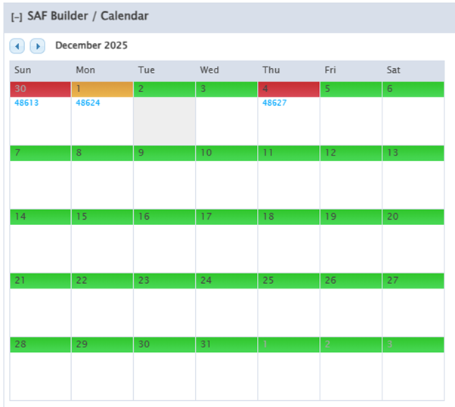
Site SAF Module

Calendar | Green - site available all day Amber - site available part of the day Red - site not available all day
 | TL users can see all SAF# on calendar External users can only see own SAF# on calendar External users can see colour but not other SAF#

Timeblocks | Days are split into 4 Timeblocks
 | Timeblocks are limited per SAF Type: Site Survey - max 2 timeblocks Pre-Install Meeting - max 2 timeblocks Operational Maintenance - max 8 timeblocks Construction/Install/Decom - max 12 timeblocks | 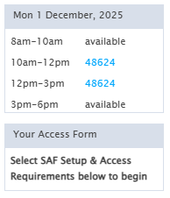 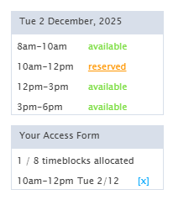
Time blocks for a SAF don't have to be contiguous

Step 1 - SAF Setup

Template | Create New SAF = blank form Reuse Previous SAF = pre-populate previous SAF details to be amended and submitted new
Type | Type of SAF: Site Survey Pre-Install Meeting Operational Maintenance Construction/Install/Decom

Step 2 - Access Requirements

Mast Access | Yes/No
TL Building Access | Yes/No
Rooftop Access | Yes/No | NEW
Electrical Works | Yes/No | NEW
Crane/Cherrypicker | Yes/No | *validation for Auto-Approve

Step 3 - Access Details

Conditions of Access | List timeblock limit based on SAF Type above.
 | If Mast Access = Yes and Structure <60m prompt for 1x Climber and 1x Rescue required.
 | If Mast Access = Yes and Structure >60m prompt for 1x Climber and 2x Rescue required.
 | If Rooftop Access = Yes prompt for 1x Rooftop trained visitor required. | Check against Structure type - force yes for RT or RT Mast
 | If Electrical Works = Yes prompt for 1x Electrician required.

Customer | List all available Companies per the user's company profile WCP. Customer will need to have themselves in their WCP list. | *Towercom needs to be able to select any Customer/Contractor
 | Any company with expired insurance should not be available on any list. | Need validation for insurance in place to cover full period of SAF for all related companies
Primary Contractor | Should only list user's Company. If another company is primary contractor, they should be submitting SAF so all validation reflects their own company permissions. | *Towercom needs to be able to select any Customer/Contractor
Primary Contractor | Any company with expired insurance should not be available on any list.
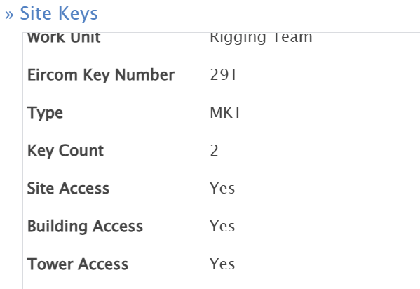
Keys | Currently based on old TL keys, not elock/Locken
 | List all keys assigned to user's company profile, refined based on whether Site, Building, Mast access required above.
 | Can be Site + Mast (AB1), Site + Building (AC1) or all 3 Site + Mast + Building (MK1)

SRF | Link to SRF module. List available SRFs (MS12) to carry out works for. Must populate this if Construction SAF Type selected.
Planned Equipment | List available equipment changes allowed per selected SRF(s). Tick what being implemented under this SAF. PLANNED EQUIPMENT IS MANDATORY for a Construction SAS
 | Need process for validation of completed equipment changes as part of SRF/SAF.

PSDP/PSCS | requires further investigation

PICW
Select Company | List the user's Company, and all available Companies per the user's company profile WWE. i.e. Obelisk will have Obelisk, Noonan Services and Surecom available to select. | ?? Leave as this - subby can be PICW
Select Company | Any company with expired insurance should not be available on any list. | *Towercom needs to be able to select any Customer/Contractor

Select Staff | List all Profiles in the above Select Company who have PICW Flag = Yes. Should pull in contact number from profile.
Select Staff | Any Profile whose Safe Pass has expired should not be available to select.

Step 4 - Crew / Visitors

Person 1
Select Company | List all available Companies per the selected Customer's (Step 3) company profile CWA.
Select Company | List all available Companies per the user's company profile CWA.
Select Company | List all available Companies per the user's company profile WWE.

Select Person | List all Profile in the above Select Company whose profile is 'Accredited'.
Attending As | List all qualifications for the person selected above. Visitor = valid safe pass only (min requiremend) Climber = valid climbing cert Rescue = valid rescue cert Rooftop = valid rooftop cert Electrician = valid electrician cert

Add another person | Option to add additional visitors to SAF. | *Towercom needs to be able to select any Customer/Contractor

Step 5 - Documentation

Health & Safety | Pre-approved H&S Plan available to select. Based on user's Company Profile. Usually only 1 available to select.

Method Statements | Pre-approved Method Statements available to select. Based on user's Company Profile. Can be multiple select.

Save | Check form that all fields have been completed.
 | Check Day/Timeblocks have been selected, and do not exceed max.
 | Check that all validation is met ie 1 climber + 1 rescue for mast access, electrician for electrical works etc.
 | Prompt if something needs correcting.

Save | Once Saved, SAF number is assigned.
 | Check the Site for Auto-Approve = Yes, and check Company profile for Auto-Approve = Yes. If Site + Company = Yes, SAF status Approved If Site = Yes + Company = No, SAF status Pending If Site = No + Company = Yes, SAF status Pending If Site + Company = No, SAF status Pending

Pending SAF | TL to review manually and approve SAF.

Complete SAF | Completing Construction SAFs where linked to SRF. Incorporate Completion Photos process.

If access start date is in the future or today, user can edit an SAF but status will revert to Pending … if auto-approve applies, the status should then progress to approved. If access is on-going, user can extend time blocks (within normal restriction and ADD ONLY new attendees If access end date is in the pass, user cannot edit SAF except to set to Cancelled and, where relevant, remove equipment from its SAF - in fact, user cannot set to Cancelled without removing any associated ATTACHED equipment SRFs or Cancelling autimatically DETACHES equipmebt SRFs SAF needs to record histiory of associated equipment SRFs , ATTACHED or DETACHED USer can Cencel but this must automatically DETACH and equipment SRFs - cannot cancel if any ATTACHED equiopment SRFs are complete ANy user that has the right to create a SAF can cause an equipment SRF ATTACHED to another SAF to be DETACHED from that SAF and ATTACHED to his SAF unless that equipment SRF is complete Only TL user can individually DETACH equipment SRFs from a SAF

